DT
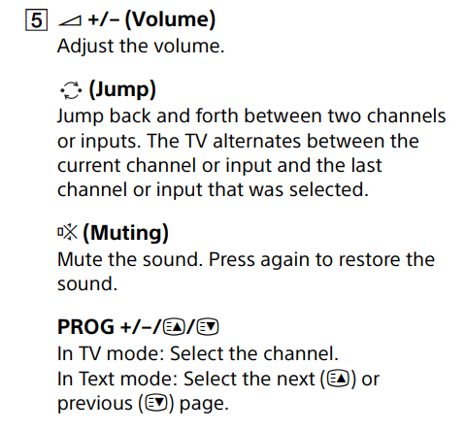
Remote control | Conditions | R1 | R2 | R3 | R4 | R5 | R6 | R7 | R8
page 9./5. Volume | selecting previous / next channel | Y | Y | Y | Y | N | N | N | N
 | changing volume | Y | Y | N | N | Y | Y | N | N
 | mute is on | Y | N | Y | N | Y | N | Y | N
 | actions
 | press jump back button | x | x | x | x
 | press + or - button | x | x |  |  | x | x
 | restore the sound | x |  | x |  | x |  | x
 | Hangerővel csatorna is vált

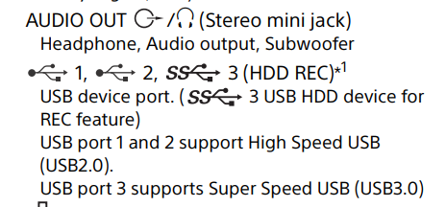
Specifications | Conditions | R1 | R2 | R3 | R4 | R5 | R6 | R7 | R8
page 18. Audio out | USB 1 | Y | Y | Y | Y | N | N | N | N
 | USB 2 | Y | Y | N | N | Y | Y | N | N
 | USB 3 | Y | N | Y | N | Y | N | Y | N
 | actions
 | support high speed USB | x | x | x | x | x | x
 | support super speed USB | x |  | x |  | x |  | x
 | for REC feature | x |  | x |  | x |  | x

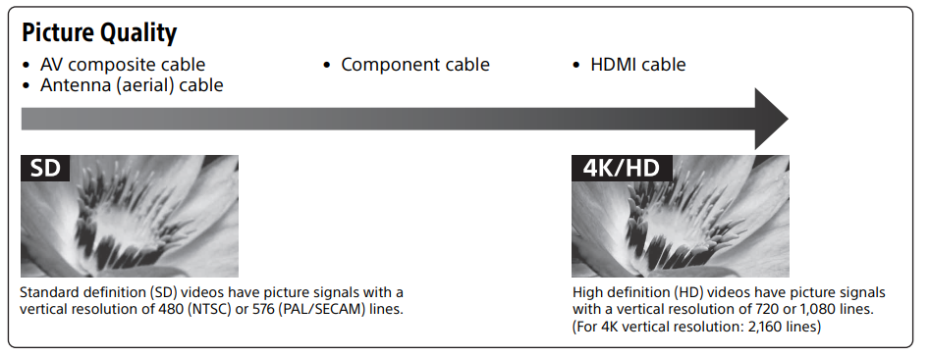
Test Condition: Picture quality | Conditions | R1 | R2 | R3 | R4
Page 11 | SD | Y | Y | Y | Y
 | HD | Y | Y | N | N
 | 4K | Y | N | Y | N
 | actions
 | 480x576 | x | x |  | x
 | 720x1080 | x | x
 | 2160x3860 | x
 | Megjegyzés: Úgy értelmeztem, hogy a 4K-nak részhalmaza a HD és annak az SD, de lehet, hogy ez rossz.

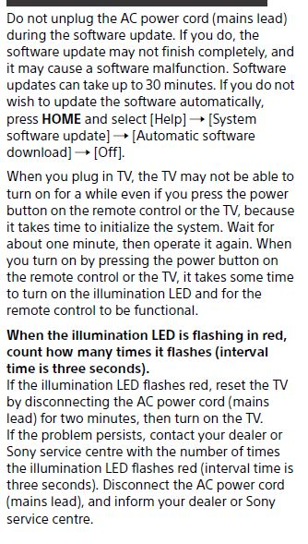
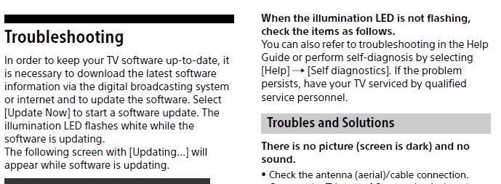
 | Conditions | R1 | R2 | R3 | R4 | R5 | R6
 | 30 minutes waiting after the update has started | Y | Y | Y | N | N | N
 | LED flashes red | Y | N | N | Y | N | N
 | LED flashes white | N | Y | N | N | Y | N
 | LED doesn't flash | N | N | Y | N | N | Y
 | Actions
 | update stops | x |  |  | x | x
 | update finishes |  | x
 | start self-diagnosis |  |  | x |  |  | x
 | contact Sony call center | x |  | x | x |  | x

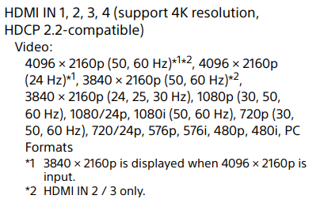
Input/output jacks
HDMI in 1, 2, 3, 4
 | Conditions | R1 | R2 | R3 | R4 | R5 | R6 | R7 | R8
 | HDMI 1 | Y | Y | N | N | Y | Y | N | N
 | HDMI 2,3 | Y | N | Y | N | Y | N | Y | N
 | HDMI 4 | Y | Y | Y | Y | N | N | N | N
 | Actions
 | 4096 × 2160p (50, 60 Hz) | x |  | x |  | x |  | x
 | 4096 × 2160p (24 Hz) | x | x | x | x | x | x | x
 | 3840 × 2160p (50, 60 Hz) | x |  | x |  | x |  | x
 | 3840 × 2160p (24, 25, 30 Hz), 1080p (30, 50, 60 Hz), 1080/24p, 1080i (50, 60 Hz), 720p (30, 50, 60 Hz), 720/24p, 576p, 576i, 480p, 480i, PC Formats | x | x | x | x | x | x | x

Illumination LED

EP, BVA
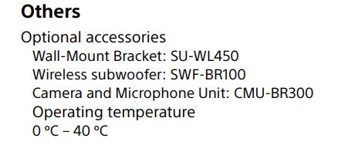
Specifications |  | partitions | EP | BV2 | BV3
page 18. Others - EP, BVA |  | < 0 | -3 | -1; 0 | -2, -1, 0
 |  | 0-40 | 20 | -1,0 40,41 | -1,0,1 39,40,41
 |  | > 40 | 50 | 40,41 | 40,41,42

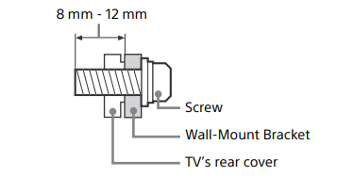
Installation |  | partitions | EP | BV2 | BV3
page 3. Screw - EP, BVA |  | < 8 | 5 | 7,8 | 6,7,8
 |  | 8-12 | 10 | 7,8 12,13 | 7,8,9 11,12,13
 |  | > 12 | 15 | 12,13 | 12,13,14

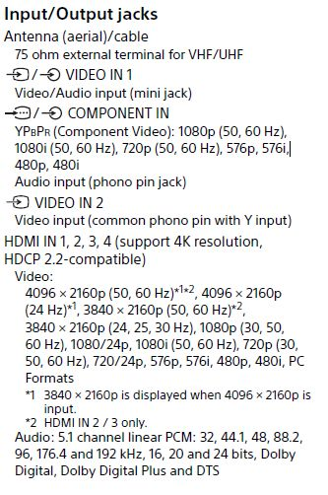
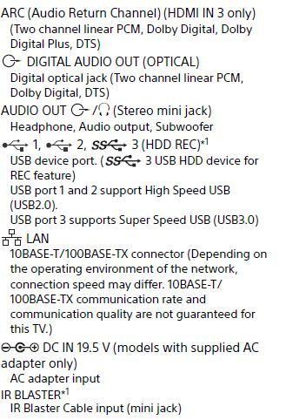
 |  | Name of partition | Valid/invalid | Partition | EP | BV2 | BV3 min | BV3 max

 |  | Channel number | Invalid | =<0 | -5 | 0,1 |  | -1,0,1
 |  |  | Valid | 01-99 | 32 | 0,1 | 0,1,2 | 98,99,100
 |  |  | Invalid | >=100 | 111 | 99,100 | 99,100,101

 |  | Video Input | Valid | Video Input
 |  | PC Input LAN | Valid | PC Input LAN
 |  | HDMI (If connected) | Invalid | =<0 | -2 | 0,1 |  | -1,0,1
 |  |  | Valid | 2022-01-04 | 3 | 0,1 | 0,1,2 | 3,4,5
 |  |  | Invalid | >=5 | 7 | 4,5 | 4,5,6
 |  | USB (if connected) | Invalid | =<0 | -10 | 0,1 |  | -1,0,1
 |  |  | Valid | 2022-01-03 | 2 | 0,1 | 0,1,2 | 2,3,4
 |  |  | Invalid | >=4 | 8 | 3,4 | 3,4,5

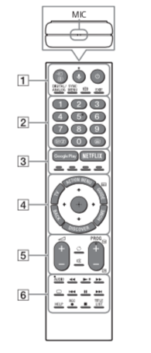
Remote control distance sensitivity

 |  | Valid/invalid | Partitions | EP | BV2 | BV3
 |  | invalid | < 0 | -2 | -1,0 | -2,-1,0
 |  | valid | 0-10 | 5 | -1,0 10,11 | -1,0,1 9,10,11
 |  | invalid | > 10 | 13 | 10,11 | 10,11,12

 | Volume range | Valid/invalid | Partitions | EP | BV2 | BV3
 |  | invalid | < 0 | -2 | -1,0 | -2,-1,0
 |  | valid | 0-100 | 55 | -1,0 100,101 | -1,0,1 99,100,111
 |  | invalid | > 100 | 200 | 100,101 | 100,101,102

State tr
Connection diagram
Page 11. Audio out

Home | ------------------> | Settings | ------------------> | Sound | -------------------> | Audio out | -------------------> | Desired item
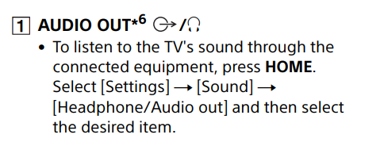

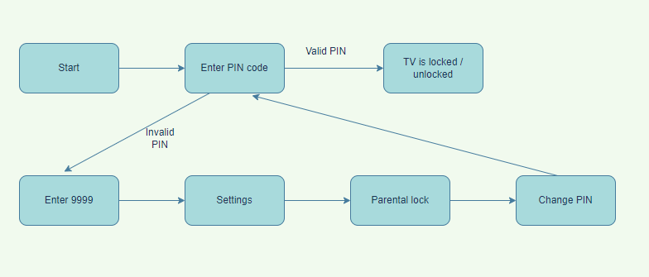
Trouble shooting
page 16. Parental lock

Trouble shooting
page 16. Fleshing red LED
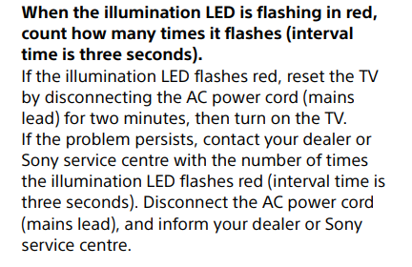

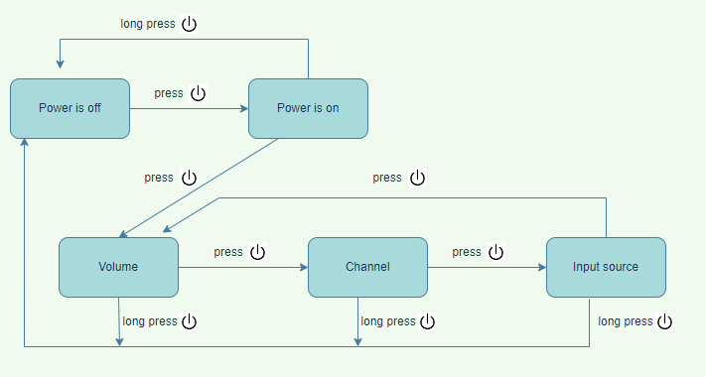
Parts and controls
page 7./1. Power

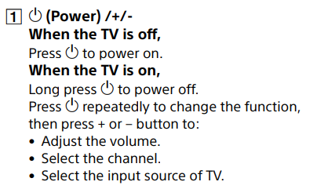

Page 11.
Truning the auto update feature off

Home | -------------------> | Help | --------------------> | System software update | --------------------> | Automatic software update download | ---------------------> | Off

Check list
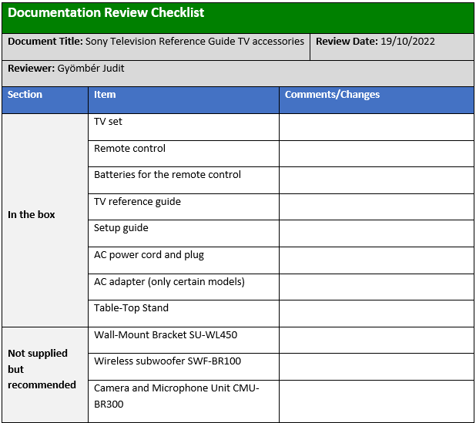
Unpacking / Checking accessories

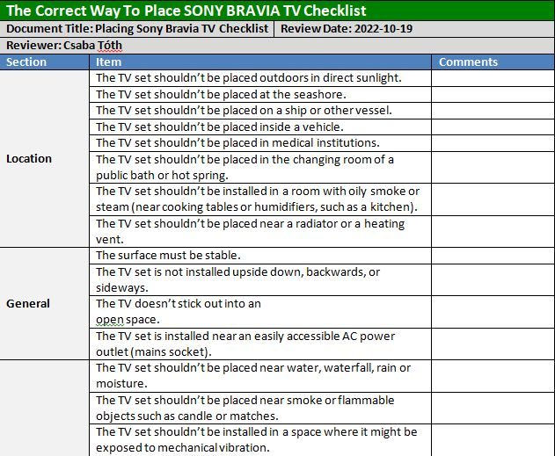
Placing Sony BRAVIA TV set

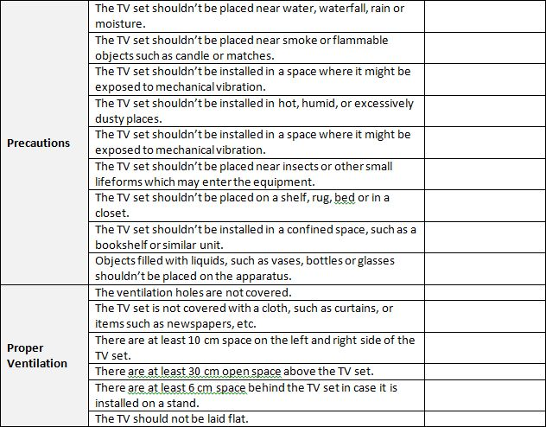

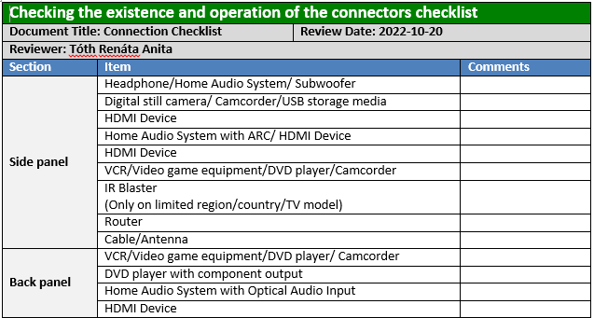
Checking connections

Use case
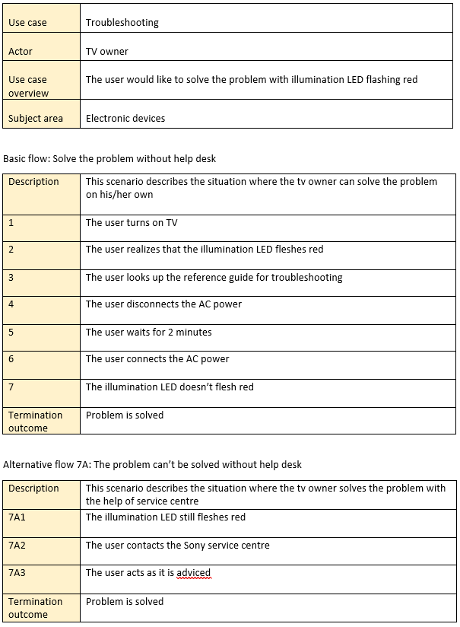
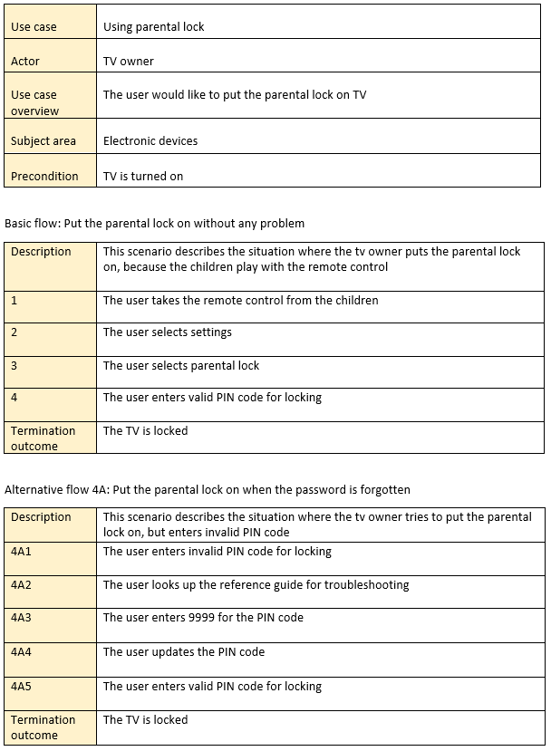
Trouble shooting | Trouble shooting
page 16. Fleshing red LED | page 16. Parental lock

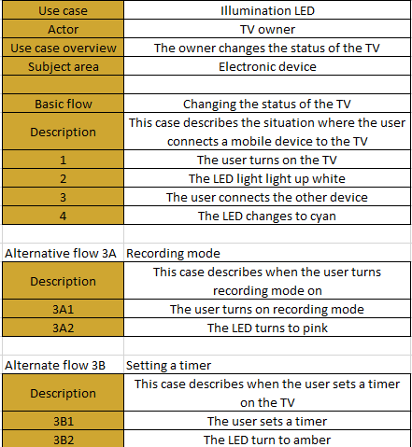
Changing the status of the TV
Page 7 illuminations LED

